Munkalap1
 | Bug tracking (testers) |  |  |  |  |  |  | Developers
Bug ID | Test case ID | Bug | Description | Comment | Priority | Version | Date | Can be fixed | Fixed | Not fixed | Comment
#1 | VG-T153 | The character moves diagonally when you press two arrows at the same time. | If you press the right and up arrows at the same time, the character starts diagonally. |  | Low | 0.4 | 2021-01-28
#2 | VG-T154 | The appearance of the character does not change after the sword is picked up. | The appearance of the character changes only after he moves one in some direction |  | Medium | 0.4 | 2021-01-28
#3 | VG-T146 | The player should always see the attack range after picking up a weapon. | There is no attack range indicator in the following cases: At the start of the game, after attacking, on enemies and items. |  | Medium | 0.4 | 2021-01-28
#4 | VG-T148 | Attacking empty spaces | At the first time when you try to attack an empty space - Nothing is happening, but the command line indicates a problem. | PIC1 - Below | Medium | 0.4 | 2021-01-28
#5 | VG-T164 | Not actually full screen | The full screen option at the main menu is not actually full screen. |  | Medium | 0.5 | 2021-02-02 |  | Duray Bence |  | max window size was limited because I didn't consider fullscreen previously... 𓀉𓀐
#6 | VG-T158, VG-T157 | The game is not started when you press the Enter key. | From the main menu, point to the New Game button and press Enter - the game should start. |  | Medium | 0.5 | 2021-02-02 |  | Duray Bence
#7 | VG-T153 | The character moves diagonally when you press two arrows at the same time. | If you press the right and up arrows at the same time, the character starts diagonally. |  | Low | 0.5 | 2021-02-02
#8 | VG-T154 | The appearance of the character does not change after the sword is picked up. | The appearance of the character changes only after he moves one in some direction |  | Medium | 0.5 | 2021-02-02
#9 | VG-T184 | Resolution - After quitting from the option menu - previous settings do not remain | In the options menu set the value of the resolution button to other than 800x600. After quitting from the options menu and then coming back to it, the value of the resolution button should be the previously selected value and not 800x600. |  | Medium | 0.5 | 2021-02-02 |  | Duray Bence |  | choicebox default value has been set to [null]; actual option indexes are inaccessible
#10 | VG-T184 | Resolution - After quitting from the option menu - "..." instead of texts | In the options menu set the value of the resolution button to for example 1600x1024. Quit from the options menu, then come back to it. After that, if you set the value of the resolution button to 1024x768 then there are "..." instead of texts. |  | Medium |  | 2021-02-02 |  | Duray Bence |  | when changing resolutions, options box (specifically the inset from the right border) is re-calculated
#11 | VG-T180 | Background music volume slide control with the scroller | The user is unable to use the mouse scroller to change the value of the background music slidebar |  | Medium | 0.5 | 2021-02-02 |  | Duray Bence |  | while the cursor position is near the sliders (≈ 10px), scrolling changes volume by 2 (modifiable if value is too low/high)
#12 | VG-T167 | Resolution - open dropdown list with enter | Once selected the resolution button with tab, the button cannot be opened with enter. |  | Medium | 0.5 | 2021-02-02 | Duray Bence |  |  | JavaFX limitation (?) selecting the choicebox with arrows works, if the previous selection was within the options panel, but not with TAB, or if accessed from the menu panel
#13 | VG-T172 | Resolution - select value from dropdown list 1920x1080 | It says the resolution is not supported but the monitor is running at 1920x1080 |  | Medium | 0.5 | 2021-02-02 |  | Duray Bence |  | rephrased error message "The game cannot safely support this resolution!" screen size limitation removed
#14 | VG-T181 | Resolution select all the possible resolutions | if you change the resolution to 1280x720 and start the game the screen at the bottom is cut off |  | High | 0.5 | 2021-02-02 |  |  |  | later version will contain camera movement -> larger maps will always have cells out of the window's visible bounds
#15 | VG-T174 | Can not activate fullscreen with enter | In options if you press enter to check fullscreen checkbox to activate fullscreen nothing happens |  | Low | 0.5 | 2021-02-02 |  | Duray Bence
#16 | VG-T175 | Can not activate fullscreen with mouse | In options if you tick fullscreen checkbox with mouse to activate fullscreen, the checkbox is ticked, but application is still running in window |  | High | 0.5 | 2021-02-02 |  | Duray Bence
#17 | VG-T176 | Exit fullscreen wit ESC, checkbox still ticked | In options if you tick fullscreen checkbox to activate fullscreen with mouse, then you press ESC button, application is running in window, but the checkbox is still ticked |  | Low | 0.5 | 2021-02-02 |  | Duray Bence
#18 | VG-T177 | Full screen checkbox - activating after error message | In options, when you selected 1920x1080 option you get an error message, and after that you move your mouse over the full screen checkbox, the checkbox is not highlighted, and if you tick the checkbox, nothing happens |  | Medium | 0.5 | 2021-02-02 |  | Duray Bence, see VG-T164 |  | probably fixed (?), or can no longer occur
#19 | VG-T129, VG-T195 | Inventory is not empty after starting new game | If the player starts a new game from the menu, the character retains it's inventory, health, and the level where he was. With this the player can have more items, than what can be shown in a single line. | PIC 2 Below | High | 0.7 | 2021-02-03
#20 | VG-T187 | Resolution - After opening the main menu from game | When you select "Main Menu" button from a started game, the application window shrunks to a little size (only the menu buttons visible in window) | PIC 3 Below | Medium | 0.7 | 2021-02-03 |  | Duray Bence |  | size reset has been previously temporarily disabled - caused issues for Linux
#21 | VG-T175, VG-T176, VG-T172 | Resolution - Full screen | Full-screen mode not working properly | PIC 4 Below | Medium | 0.7 | 2021-02-03 |  | Duray Bence |  | max screen size limitation has been previously re-imported
#22 | VG-T177 | Full screen checkbox - activating after error message | Error message remains after clicking on the full screen checkbox | PIC 5 Below | Medium | 0.7 | 2021-02-03 |  | Duray Bence
#23 | VG-T181 | Resolution - size of the window after clicking on the new game button | The window size of the menu after starting the program is 800x600. After clicking on the new game button the size of the window changes |  | Medium | 0.7 | 2021-02-03 | Duray Bence
#24 | VG-T181 | Resolution - state of the game after setting the resolution to 800x600 | After setting the resolution to 800x600 in the options, if the user starts a new game, the left side menu bar gets cut off from the screen | PIC 6 Below | High | 0.7 | 2021-02-03 |  | Duray Bence
#25 | VG-T181 | Resolution - size of the window after clicking on the new game button in full-screen mode | After setting the resolution to full-screen in the options, if the user starts a new game it changes back to windowed mode (the size of the window is equal to the value of the reolution button) |  | Medium | 0.7 | 2021-02-03 | Duray Bence
#26 | VG-T181, VG-T172 | Resolution - can not change resolution to all supported size (with a monitor that supports all the possible resolutions) | All sizes are supported, but application does not change to all of resolutions (only 800x600 and 1280x720 works) | Windows 10 x64, AMD A10-6700 APU with Radeon HD Graphics 3,7 GHz, 4 GB RAM | Medium | 0.7. | 2021-02-03 | Duray Bence |  |  | couldn't replicate error (Win 10 x64, Intel HD Graphics P530, 8GB RAM)

PIC 2

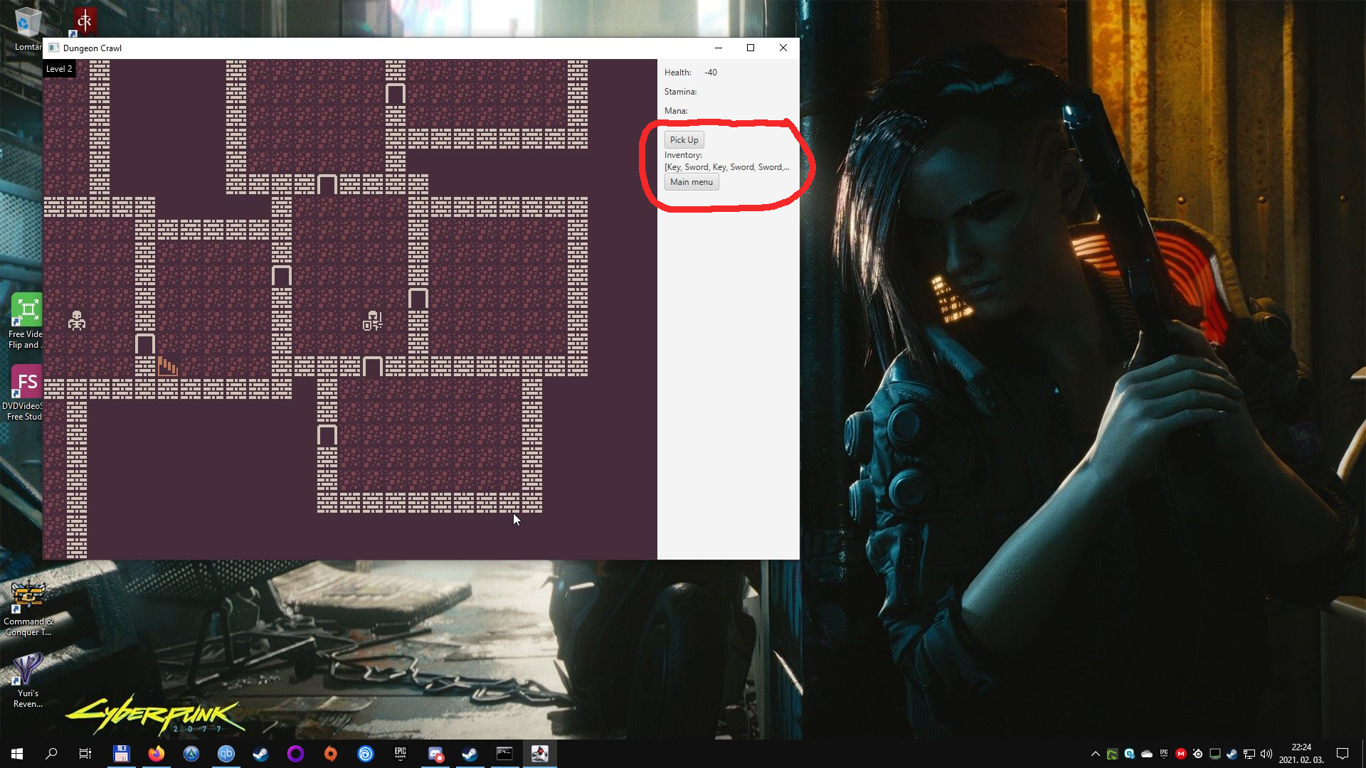

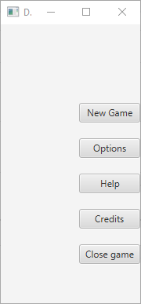
PIC 3

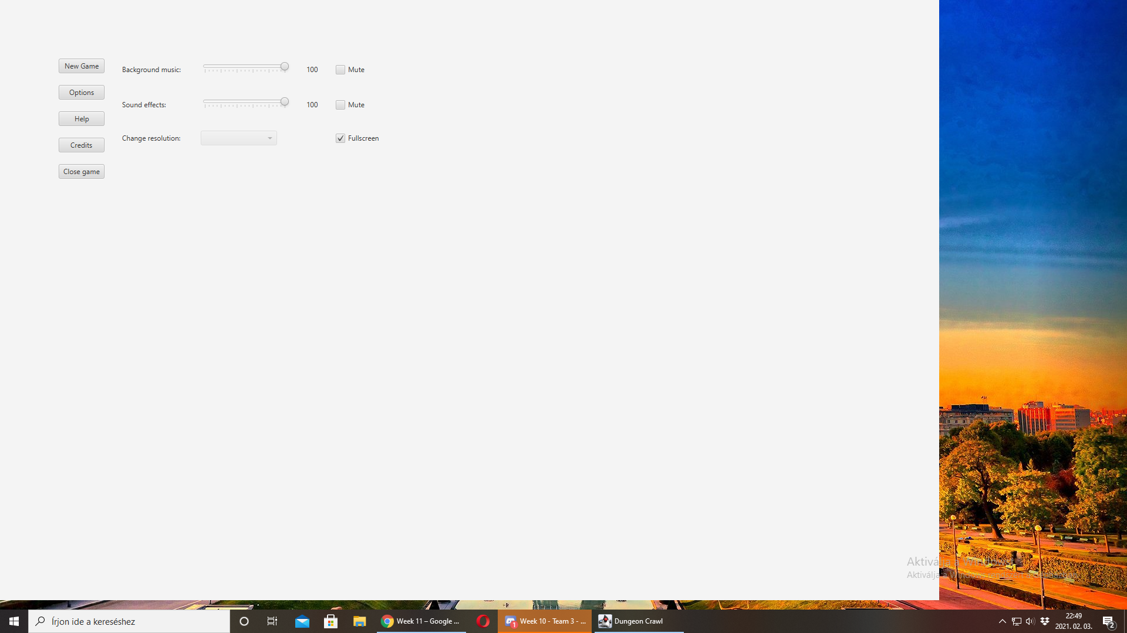
PIC 4

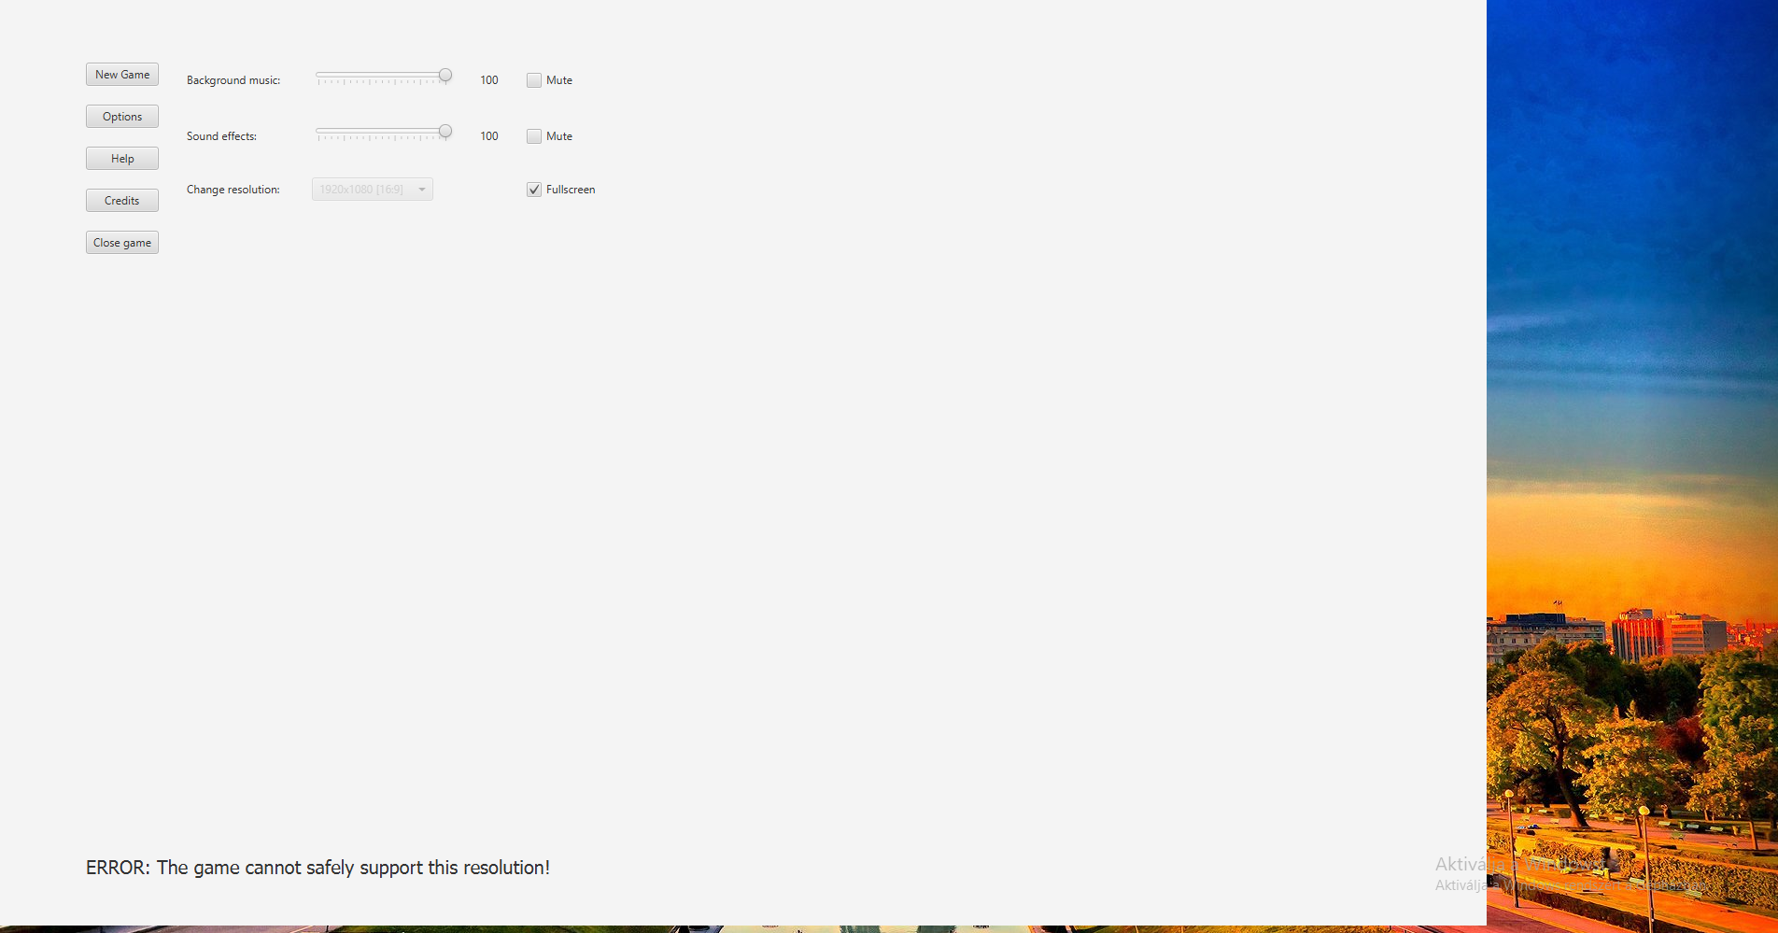
PIC 5

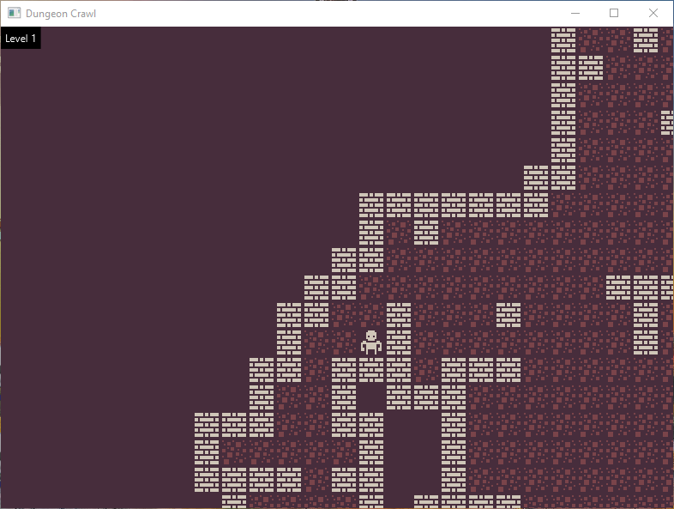
PIC 6

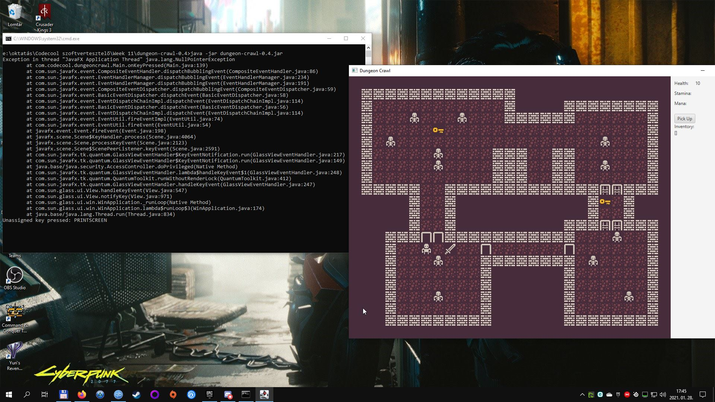
PIC 1

